Sheet1
Bill of Materials
Category | Part Name | Manufacturer | Mfg Part Number | Quantity | Image | Quanity Used | Description | Units Ordered | Cost Each | Cost Total | Distributor | Source
Sensors | Magnetic Door Sensor | Dairzitv | EWWE-87878 | 10 |  | 4 | Surface Mount Wired NC Door Contact Sensor (Pack of 10) | 1 | $1.10 | $10.99 | Amazon | Magnetic Door Sensor
Actuators | Booster Module | QINIZX | B09BLQQRHL | 2 |  | 4 | Voltage Generator Module Arc Pulse Booster (3V-4.2V boost 2000V) (Pack of 2) | 2 | $5.50 | $21.98 | Amazon | Voltage Booster
 | Toggle Switch | AdaFruit | 3218 | 1 |  | 4 | Illuminated Toggle Switch with Cover (Red) Actuation Style: Rocker | 4 | $3.95 | $15.80 | AdaFruit | Toggle Switch
Displays | LCD Screen | HiLetgo | 16497 | 2 |  | 4 | LCD Display Module DC 5V 16x2 Character LCM Blue Blacklight (Pack of 2) | 2 | $4.50 | $18.00 | Amazon | LCD Display
 | LED indicators | Kingbright | WP7113GD | 1 |  | 8 | Green 568nm LED Indication - Discrete 2.2V Radial | 8 | $0.34 | $2.72 | Digikey | Green LED
 | LED indicators | Kingbright | L57IID12V | 1 |  | 8 | Red 617nm LED Indication - Discrete 2V Radial | 8 | $0.73 | $5.84 | Digikey | Red LED
 | LED indicators | Kingbright | WP7113VBC/D | 1 |  | 8 | LED BLUE CLEAR T-1 3/4 T/H | 8 | $0.53 | $4.24 | Digikey | Blue LED
Connectors | Header CONN | Molex | 22284028 | 2 |  | 8 | Connector Header Through Hole 2 position 0.100" (2.54mm) | 2 | $0.28 | $0.56 | Digikey | Header
 | Arduino Shield Connectors | AdaFruit | 85 | 6 |  | 4 | Shield stacking headers for Arduino (R3 Compatible) | 1 | $0.33 | $1.95 | AdaFruit | Stacking Shield CONN
 | Arduino LCD Header | Antrader | B07GP3TLH9 | 40 |  | 4 | 2.54mm 16Pin Single Row PBC Female Pin Header Socket Connector Strip | 1 | $0.16 | $6.49 | Amazon | 16 Pin Header
Passive Compnents | 300 Ohm Resistor | YAGEO | RC0805JR-07330RL | 1 |  | 8 | RES 330 OHM 5% 1/8W 0805 | 8 | $0.10 | $0.80 | Digikey | 300 Ohm Resistor
 | 10k Ohm Resistor | YAGEO | RC0805FR-0710KL | 1 |  | 4 | RES 10K OHM 1% 1/8W 0805 | 4 | $0.10 | $0.40 | Digikey | 10k Ohm Resistor
 | Potentiometer | Bourns | 3362P-1-103LF | 1 |  | 4 | TRIMMER 10K OHM 0.5W PC PIN TOP | 4 | $1.03 | $4.12 | Digikey | Trimmer
 | SMD Diode | MDD | 1N4148W T4 | 1 |  | 4 | Diode Standard 100 V 150mA Surface Mount SOD-123 | 4 | $0.05 | $0.18 | Digikey | Diode
 | Switch | E-Switch | EG1218 | 1 |  | 4 | Slide Switch SPDT Through Hole | 4 | $0.76 | $3.04 | Digikey | Onboard Switch
Power | 9V Batteries | Duracell | MN1604B4 | 4 | 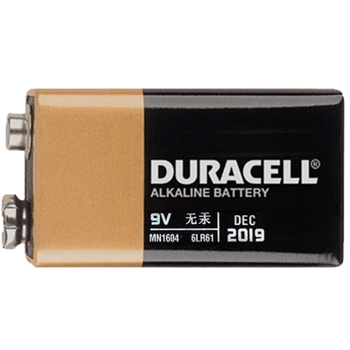 | 4 | Duracell Coppertop 9V Battery (Pack of 4) | 1 | $3.05 | $12.19 | Amazon | 9V Batteries
 | 9V Battery Connector | RFAdapter | B0882VV74L | 6 |  | 4 | 9v Battery Clip with 5.5mm/2.1mm Male DC Plug | 1 | $1.00 | $5.99 | Amazon | 9V Battery Connector
 | Power Adapter | Corporate Computer | LJH -186 | 1 | 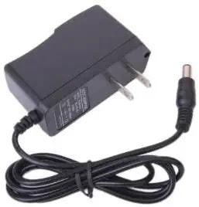 | 4 | 9VDC 1A Arduino Compatible Power Supply Adapter 110V AC 5.5 x 2.1mm Tip | 4 | $7.49 | $7.49 | Amazon | 9V Battery Adapter
EDA | PCB Fabrication |  |  | 1 |  | 4 | Layout to house and control LCD display, LED indicators, and Voltage Booster Module | 4
Component Housing | 3D Enclosure |  |  | 1 |  | 4 | 3D Enclosure for Component Housing | 4
 |  |  |  |  |  |  | Total Cost for all Components: |  |  | $122.78
 | Currently In Progress |  |  |  |  |  | Total Cost Per Device: |  | $29.47
 |  |  |  |  |  |  | Total Cost for all 4 Devices: |  | $117.87

